GUCCI APPAREL
GUCCI RTW

PHOTOS | MOD. | MAT. | COL. | SKU | GENDER | CAT. | SIZE | EAN | Q.TY | ORDER | BOUTIQUE PRICE | PRICE | AMOUNT YOUR SELECTION
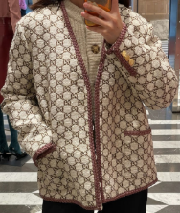 | 740428 | ZAMQN | 2254 | 740428ZAMQN2254 | WOMENS RTW | JACKETS | 40 | 812872285 | 1 |  | 2,800.00 € | 767.30 € | 0.00 €
 | 740428 | ZAMQN | 2254 | 740428ZAMQN2254 | WOMENS RTW | JACKETS | 42 | 812982004 | 1 |  | 2,800.00 € | 767.30 € | 0.00 €
 | 740428 | ZAMQN | 2254 | 740428ZAMQN2254 | WOMENS RTW | JACKETS | 44 | 812982005 | 1 |  | 2,800.00 € | 767.30 € | 0.00 €
 | 740428 | ZAMQN | 2254 | 740428ZAMQN2254 | WOMENS RTW | JACKETS | 50 | 812992536 | 1 |  | 2,800.00 € | 767.30 € | 0.00 €
 | 740428 | ZAMQN | 2254 | 740428ZAMQN2254 | WOMENS RTW | JACKETS | 52 | 813307775 | 2 |  | 2,800.00 € | 767.30 € | 0.00 €
 | 784829 | ZAQSO | 9799 | 784829ZAQSO9799 | WOMENS RTW | JACKETS | 44 | 813478815 | 1 |  | 2,300.00 € | 640.10 € | 0.00 €
 | 784829 | ZAQSO | 9799 | 784829ZAQSO9799 | WOMENS RTW | JACKETS | 48 | 813479255 | 1 |  | 2,300.00 € | 640.10 € | 0.00 €
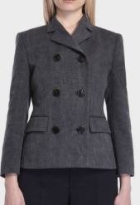 | 808968 | Z7AHS | 1189 | 808968Z7AHS1189 | WOMENS RTW | JACKETS | 38 | 813711341 | 1 |  | 1,980.00 € | 360.30 € | 0.00 €
 | 808968 | Z7AHS | 1189 | 808968Z7AHS1189 | WOMENS RTW | JACKETS | 44 | 813713081 | 1 |  | 1,980.00 € | 360.30 € | 0.00 €
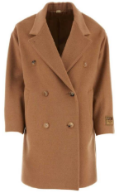 | 745494 | Z2896 | 2602 | 745494Z28962602 | WOMENS RTW | COATS | 40 | 812890041 | 1 |  | 3,800.00 € | 635.00 € | 0.00 €
 | 745494 | Z2896 | 2602 | 745494Z28962602 | WOMENS RTW | COATS | 48 | 813072907 | 1 |  | 3,800.00 € | 635.00 € | 0.00 €
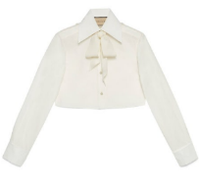 | 737987 | ZAMWP | 9245 | 737987ZAMWP9245 | WOMENS RTW | SHIRTS | 36 | 812985837 | 1 |  | 790.00 € | 177.10 € | 0.00 €
 | 737987 | ZAMWP | 9245 | 737987ZAMWP9245 | WOMENS RTW | SHIRTS | 40 | 812871283 | 2 |  | 790.00 € | 177.10 € | 0.00 €
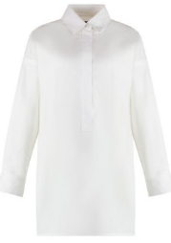 | 810703 | Z7AC4 | 9000 | 810703Z7AC49000 | WOMENS RTW | SHIRTS | 44 | 813655523 | 1 |  | 1,200.00 € | 238.20 € | 0.00 €
 | 810703 | Z7AC4 | 9000 | 810703Z7AC49000 | WOMENS RTW | SHIRTS | 46 | 813655841 | 1 |  | 1,200.00 € | 238.20 € | 0.00 €
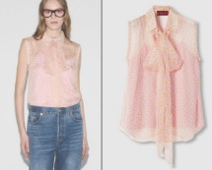 | 819141 | Z7AI4 | 5524 | 819141Z7AI45524 | WOMENS RTW | SHIRTS | 36 | 813712430 | 1 |  | 1,400.00 € | 268.70 € | 0.00 €
 | 819141 | Z7AI4 | 5524 | 819141Z7AI45524 | WOMENS RTW | SHIRTS | 38 | 813711608 | 2 |  | 1,400.00 € | 268.70 € | 0.00 €
 | 819141 | Z7AI4 | 5524 | 819141Z7AI45524 | WOMENS RTW | SHIRTS | 40 | 813701307 | 2 |  | 1,400.00 € | 268.70 € | 0.00 €
 | 819141 | Z7AI4 | 5524 | 819141Z7AI45524 | WOMENS RTW | SHIRTS | 42 | 813739247 | 2 |  | 1,400.00 € | 268.70 € | 0.00 €
 | 819141 | Z7AI4 | 5524 | 819141Z7AI45524 | WOMENS RTW | SHIRTS | 44 | 813739248 | 2 |  | 1,400.00 € | 268.70 € | 0.00 €
 | 819141 | Z7AI4 | 5524 | 819141Z7AI45524 | WOMENS RTW | SHIRTS | 46 | 813739249 | 1 |  | 1,400.00 € | 268.70 € | 0.00 €
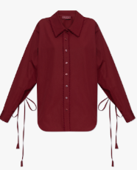 | 830353 | Z7ADR | 6052 | 830353Z7ADR6052 | WOMENS RTW | SHIRTS | 38 | 813845583 | 1 |  | 1,800.00 € | 512.90 € | 0.00 €
 | 830353 | Z7ADR | 6052 | 830353Z7ADR6052 | WOMENS RTW | SHIRTS | 40 | 813824948 | 1 |  | 1,800.00 € | 512.90 € | 0.00 €
 | 830353 | Z7ADR | 6052 | 830353Z7ADR6052 | WOMENS RTW | SHIRTS | 42 | 813848038 | 1 |  | 1,800.00 € | 512.90 € | 0.00 €
 | 830353 | Z7ADR | 6052 | 830353Z7ADR6052 | WOMENS RTW | SHIRTS | 44 | 813848039 | 1 |  | 1,800.00 € | 512.90 € | 0.00 €
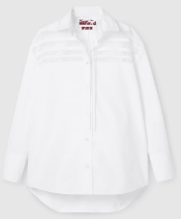 | 835743 | Z7ADR | 9000 | 835743Z7ADR9000 | WOMENS RTW | SHIRTS | 36 | 813921985 | 1 |  | 1,600.00 € | 462.00 € | 0.00 €
 | 835743 | Z7ADR | 9000 | 835743Z7ADR9000 | WOMENS RTW | SHIRTS | 38 | 813921396 | 1 |  | 1,600.00 € | 462.00 € | 0.00 €
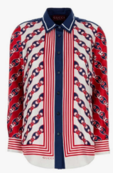 | 837642 | Z7AS0 | 9229 | 837642Z7AS09229 | WOMENS RTW | SHIRTS | 38 | 813903053 | 1 |  | 1,600.00 € | 462.00 € | 0.00 €
 | 837642 | Z7AS0 | 9229 | 837642Z7AS09229 | WOMENS RTW | SHIRTS | 40 | 813875759 | 1 |  | 1,600.00 € | 462.00 € | 0.00 €
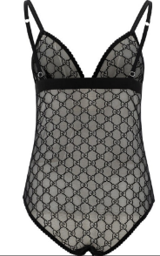 | 599604 | XUAAW | 1000 | 599604XUAAW1000 | WOMENS RTW | UNDERWEAR | L | 809138994 | 1 |  | 720.00 € | 166.90 € | 0.00 €
 | 599604 | XUAAW | 1000 | 599604XUAAW1000 | WOMENS RTW | UNDERWEAR | M | 809117975 | 1 |  | 720.00 € | 166.90 € | 0.00 €
 | 599604 | XUAAW | 1000 | 599604XUAAW1000 | WOMENS RTW | UNDERWEAR | S | 809078087 | 2 |  | 720.00 € | 166.90 € | 0.00 €
 | 599604 | XUAAW | 1000 | 599604XUAAW1000 | WOMENS RTW | UNDERWEAR | XS | 809127444 | 2 |  | 720.00 € | 166.90 € | 0.00 €
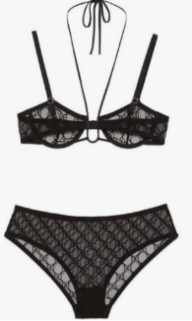 | 624923 | XJBVY | 1000 | 624923XJBVY1000 | WOMENS RTW | UNDERWEAR | M | 809423824 | 1 |  | 790.00 € | 177.10 € | 0.00 €
 | 624923 | XJBVY | 1000 | 624923XJBVY1000 | WOMENS RTW | UNDERWEAR | S | 809360149 | 2 |  | 790.00 € | 177.10 € | 0.00 €
 | 624923 | XJBVY | 1000 | 624923XJBVY1000 | WOMENS RTW | UNDERWEAR | XS | 809423823 | 3 |  | 790.00 € | 177.10 € | 0.00 €
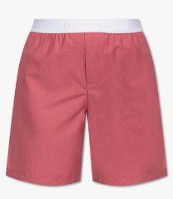 | 797276 | XUAK4 | 5745 | 797276XUAK45745 | WOMENS RTW | UNDERWEAR | M | 813655097 | 1 |  | 480.00 € | 105.90 € | 0.00 €
 | 797276 | XUAK4 | 5745 | 797276XUAK45745 | WOMENS RTW | UNDERWEAR | S | 813596169 | 2 |  | 480.00 € | 105.90 € | 0.00 €
 | 797276 | XUAK4 | 5745 | 797276XUAK45745 | WOMENS RTW | UNDERWEAR | XS | 813653988 | 2 |  | 480.00 € | 105.90 € | 0.00 €
 | 815575 | ZHS22 | 3870 | 815575ZHS223870 | WOMENS RTW | UNDERWEAR | 36 | 813711414 | 1 |  | 980.00 € | 156.80 € | 0.00 €
 | 815575 | ZHS22 | 3870 | 815575ZHS223870 | WOMENS RTW | UNDERWEAR | 38 | 813711415 | 1 |  | 980.00 € | 156.80 € | 0.00 €
 | 815575 | ZHS22 | 3870 | 815575ZHS223870 | WOMENS RTW | UNDERWEAR | 40 | 813688518 | 1 |  | 980.00 € | 156.80 € | 0.00 €
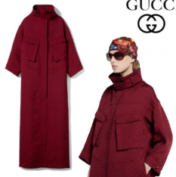 | 831112 | ZASZA | 6052 | 831112ZASZA6052 | WOMENS RTW | OUTERWEAR | 36 | 813846568 | 1 |  | 8,900.00 € | 2,319.20 € | 0.00 €
 | 831112 | ZASZA | 6052 | 831112ZASZA6052 | WOMENS RTW | OUTERWEAR | 38 | 813845635 | 1 |  | 8,900.00 € | 2,319.20 € | 0.00 €
 | 831112 | ZASZA | 6052 | 831112ZASZA6052 | WOMENS RTW | OUTERWEAR | 40 | 813840988 | 1 |  | 8,900.00 € | 2,319.20 € | 0.00 €
 | 831112 | ZASZA | 6052 | 831112ZASZA6052 | WOMENS RTW | OUTERWEAR | 42 | 813848057 | 1 |  | 8,900.00 € | 2,319.20 € | 0.00 €
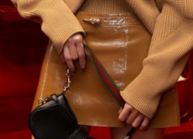 | 792131 | XNA2W | 2074 | 792131XNA2W2074 | WOMENS RTW | LEATHER | 38 | 813469132 | 1 |  | 2,600.00 € | 716.40 € | 0.00 €
 | 792131 | XNA2W | 2074 | 792131XNA2W2074 | WOMENS RTW | LEATHER | 42 | 813470945 | 1 |  | 2,600.00 € | 716.40 € | 0.00 €
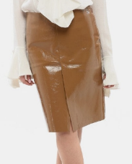 | 792351 | XNA23 | 2074 | 792351XNA232074 | WOMENS RTW | LEATHER | 36 | 813462707 | 1 |  | 3,800.00 € | 1,021.70 € | 0.00 €
 | 792351 | XNA23 | 2074 | 792351XNA232074 | WOMENS RTW | LEATHER | 38 | 813462708 | 1 |  | 3,800.00 € | 1,021.70 € | 0.00 €
 | 792351 | XNA23 | 2074 | 792351XNA232074 | WOMENS RTW | LEATHER | 42 | 813462710 | 1 |  | 3,800.00 € | 1,021.70 € | 0.00 €
 | 792351 | XNA23 | 2074 | 792351XNA232074 | WOMENS RTW | LEATHER | 44 | 813462711 | 1 |  | 3,800.00 € | 1,021.70 € | 0.00 €
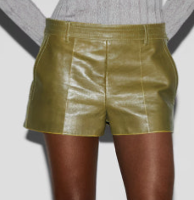 | 810390 | XNA4M | 3266 | 810390XNA4M3266 | WOMENS RTW | LEATHER | 42 | 813655283 | 1 |  | 2,400.00 € | 665.60 € | 0.00 €
 | 810390 | XNA4M | 3266 | 810390XNA4M3266 | WOMENS RTW | LEATHER | 44 | 813655284 | 1 |  | 2,400.00 € | 665.60 € | 0.00 €
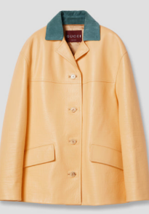 | 815822 | XNA5T | 7013 | 815822XNA5T7013 | WOMENS RTW | LEATHER | 38 | 813712424 | 1 |  | 5,980.00 € | 1,576.30 € | 0.00 €
 | 815822 | XNA5T | 7013 | 815822XNA5T7013 | WOMENS RTW | LEATHER | 40 | 813701445 | 1 |  | 5,980.00 € | 1,576.30 € | 0.00 €
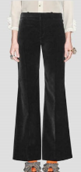 | 711768 | ZJV75 | 1000 | 711768ZJV751000 | WOMENS RTW | PANTS | 38 | 810714061 | 1 |  | 980.00 € | 207.60 € | 0.00 €
 | 711768 | ZJV75 | 1000 | 711768ZJV751000 | WOMENS RTW | PANTS | 40 | 810714062 | 1 |  | 980.00 € | 207.60 € | 0.00 €
 | 711768 | ZJV75 | 1000 | 711768ZJV751000 | WOMENS RTW | PANTS | 42 | 810714063 | 1 |  | 980.00 € | 207.60 € | 0.00 €
 | 711768 | ZJV75 | 1000 | 711768ZJV751000 | WOMENS RTW | PANTS | 44 | 810714064 | 1 |  | 980.00 € | 207.60 € | 0.00 €
 | 711768 | ZJV75 | 1000 | 711768ZJV751000 | WOMENS RTW | PANTS | 46 | 810714065 | 1 |  | 980.00 € | 207.60 € | 0.00 €
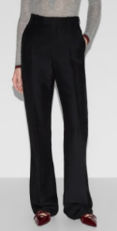 | 737876 | ZAMKA | 1000 | 737876ZAMKA1000 | WOMENS RTW | PANTS | 36 | 812833471 | 1 |  | 1,150.00 € | 350.10 € | 0.00 €
 | 737876 | ZAMKA | 1000 | 737876ZAMKA1000 | WOMENS RTW | PANTS | 40 | 812833326 | 3 |  | 1,150.00 € | 350.10 € | 0.00 €
 | 737876 | ZAMKA | 1000 | 737876ZAMKA1000 | WOMENS RTW | PANTS | 42 | 812833473 | 2 |  | 1,150.00 € | 350.10 € | 0.00 €
 | 737876 | ZAMKA | 1000 | 737876ZAMKA1000 | WOMENS RTW | PANTS | 48 | 812833476 | 1 |  | 1,150.00 € | 350.10 € | 0.00 €
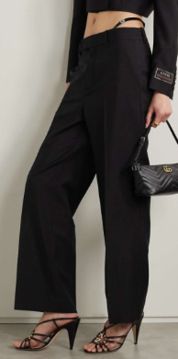 | 737921 | Z8BF4 | 1000 | 737921Z8BF41000 | WOMENS RTW | PANTS | 36 | 812968816 | 1 |  | 1,300.00 € | 385.70 € | 0.00 €
 | 737921 | Z8BF4 | 1000 | 737921Z8BF41000 | WOMENS RTW | PANTS | 38 | 812968817 | 1 |  | 1,300.00 € | 385.70 € | 0.00 €
 | 737921 | Z8BF4 | 1000 | 737921Z8BF41000 | WOMENS RTW | PANTS | 40 | 812872457 | 2 |  | 1,300.00 € | 385.70 € | 0.00 €
 | 737921 | Z8BF4 | 1000 | 737921Z8BF41000 | WOMENS RTW | PANTS | 42 | 812872458 | 1 |  | 1,300.00 € | 385.70 € | 0.00 €
 | 770175 | ZAONS | 1000 | 770175ZAONS1000 | WOMENS RTW | PANTS | 36 | 813230609 | 1 |  | 950.00 € | 202.60 € | 0.00 €
 | 770175 | ZAONS | 1000 | 770175ZAONS1000 | WOMENS RTW | PANTS | 38 | 813230610 | 1 |  | 950.00 € | 202.60 € | 0.00 €
 | 770175 | ZAONS | 1000 | 770175ZAONS1000 | WOMENS RTW | PANTS | 46 | 813230895 | 1 |  | 950.00 € | 202.60 € | 0.00 €
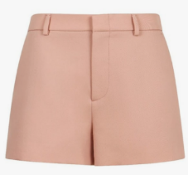 | 792350 | ZAQQA | 5035 | 792350ZAQQA5035 | WOMENS RTW | PANTS | 42 | 813470959 | 1 |  | 980.00 € | 207.60 € | 0.00 €
 | 792350 | ZAQQA | 5035 | 792350ZAQQA5035 | WOMENS RTW | PANTS | 44 | 813470960 | 1 |  | 980.00 € | 207.60 € | 0.00 €
 | 792363 | ZAQQE | 1000 | 792363ZAQQE1000 | WOMENS RTW | PANTS | 44 | 813470965 | 1 |  | 980.00 € | 207.60 € | 0.00 €
 | 792363 | ZAQQE | 1000 | 792363ZAQQE1000 | WOMENS RTW | PANTS | 46 | 813470966 | 1 |  | 980.00 € | 207.60 € | 0.00 €
 | 818530 | Z7ALB | 4305 | 818530Z7ALB4305 | WOMENS RTW | PANTS | 36 | 813735669 | 1 |  | 950.00 € | 299.20 € | 0.00 €
 | 818530 | Z7ALB | 4305 | 818530Z7ALB4305 | WOMENS RTW | PANTS | 42 | 813740775 | 2 |  | 950.00 € | 299.20 € | 0.00 €
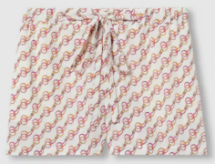 | 818537 | Z7AK3 | 9666 | 818537Z7AK39666 | WOMENS RTW | PANTS | 36 | 813740777 | 1 |  | 1,100.00 € | 334.80 € | 0.00 €
 | 818537 | Z7AK3 | 9666 | 818537Z7AK39666 | WOMENS RTW | PANTS | 38 | 813733261 | 1 |  | 1,100.00 € | 334.80 € | 0.00 €
 | 818537 | Z7AK3 | 9666 | 818537Z7AK39666 | WOMENS RTW | PANTS | 40 | 813699119 | 1 |  | 1,100.00 € | 334.80 € | 0.00 €
 | 818537 | Z7AK3 | 9666 | 818537Z7AK39666 | WOMENS RTW | PANTS | 42 | 813740778 | 2 |  | 1,100.00 € | 334.80 € | 0.00 €
 | 818537 | Z7AK3 | 9666 | 818537Z7AK39666 | WOMENS RTW | PANTS | 44 | 813740779 | 1 |  | 1,100.00 € | 334.80 € | 0.00 €
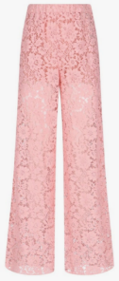 | 813085 | ZAQP7 | 5036 | 813085ZAQP75036 | WOMENS RTW | PANTS | 36 | 813736978 | 2 |  | 1,980.00 € | 558.70 € | 0.00 €
 | 813085 | ZAQP7 | 5036 | 813085ZAQP75036 | WOMENS RTW | PANTS | 38 | 813732997 | 2 |  | 1,980.00 € | 558.70 € | 0.00 €
 | 813085 | ZAQP7 | 5036 | 813085ZAQP75036 | WOMENS RTW | PANTS | 40 | 813700471 | 2 |  | 1,980.00 € | 558.70 € | 0.00 €
 | 813085 | ZAQP7 | 5036 | 813085ZAQP75036 | WOMENS RTW | PANTS | 42 | 813740047 | 3 |  | 1,980.00 € | 558.70 € | 0.00 €
 | 813085 | ZAQP7 | 5036 | 813085ZAQP75036 | WOMENS RTW | PANTS | 44 | 813740531 | 3 |  | 1,980.00 € | 558.70 € | 0.00 €
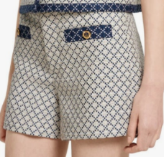 | 826614 | Z7ATX | 9037 | 826614Z7ATX9037 | WOMENS RTW | PANTS | 38 | 813921361 | 1 |  | 1,250.00 € | 375.50 € | 0.00 €
 | 826614 | Z7ATX | 9037 | 826614Z7ATX9037 | WOMENS RTW | PANTS | 40 | 813870249 | 1 |  | 1,250.00 € | 375.50 € | 0.00 €
 | 826614 | Z7ATX | 9037 | 826614Z7ATX9037 | WOMENS RTW | PANTS | 42 | 813921782 | 2 |  | 1,250.00 € | 375.50 € | 0.00 €
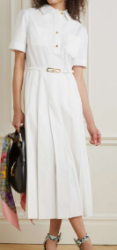 | 691657 | Z8A0D | 1902 | 691657Z8A0D1902 | WOMENS RTW | DRESSES | 48 | 810661056 | 1 |  | 2,300.00 € | 406.10 € | 0.00 €
 | 691657 | Z8A0D | 1902 | 691657Z8A0D1902 | WOMENS RTW | DRESSES | 50 | 810661057 | 1 |  | 2,300.00 € | 406.10 € | 0.00 €
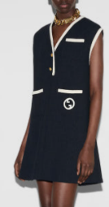 | 748098 | ZANJG | 4613 | 748098ZANJG4613 | WOMENS RTW | DRESSES | 38 | 812982109 | 1 |  | 2,300.00 € | 640.10 € | 0.00 €
 | 748098 | ZANJG | 4613 | 748098ZANJG4613 | WOMENS RTW | DRESSES | 40 | 812896650 | 1 |  | 2,300.00 € | 640.10 € | 0.00 €
 | 748098 | ZANJG | 4613 | 748098ZANJG4613 | WOMENS RTW | DRESSES | 42 | 812982110 | 1 |  | 2,300.00 € | 640.10 € | 0.00 €
 | 748098 | ZANJG | 4613 | 748098ZANJG4613 | WOMENS RTW | DRESSES | 44 | 812985867 | 1 |  | 2,300.00 € | 640.10 € | 0.00 €
 | 781443 | ZAQBM | 5035 | 781443ZAQBM5035 | WOMENS RTW | DRESSES | 38 | 813468782 | 1 |  | 2,890.00 € | 497.70 € | 0.00 €
 | 781443 | ZAQBM | 5035 | 781443ZAQBM5035 | WOMENS RTW | DRESSES | 40 | 813339295 | 1 |  | 2,890.00 € | 497.70 € | 0.00 €
 | 781443 | ZAQBM | 5035 | 781443ZAQBM5035 | WOMENS RTW | DRESSES | 42 | 813470453 | 1 |  | 2,890.00 € | 497.70 € | 0.00 €
 | 788125 | ZAQS5 | 9000 | 788125ZAQS59000 | WOMENS RTW | DRESSES | 40 | 813358687 | 1 |  | 1,890.00 € | 345.00 € | 0.00 €
 | 788125 | ZAQS5 | 9000 | 788125ZAQS59000 | WOMENS RTW | DRESSES | 42 | 813478652 | 1 |  | 1,890.00 € | 345.00 € | 0.00 €
 | 784865 | ZAQR5 | 6190 | 784865ZAQR56190 | WOMENS RTW | DRESSES | 36 | 813477876 | 1 |  | 2,980.00 € | 512.90 € | 0.00 €
 | 784865 | ZAQR5 | 6190 | 784865ZAQR56190 | WOMENS RTW | DRESSES | 38 | 813471260 | 1 |  | 2,980.00 € | 512.90 € | 0.00 €
 | 784865 | ZAQR5 | 6190 | 784865ZAQR56190 | WOMENS RTW | DRESSES | 40 | 813359307 | 1 |  | 2,980.00 € | 512.90 € | 0.00 €
 | 784865 | ZAQR5 | 6190 | 784865ZAQR56190 | WOMENS RTW | DRESSES | 42 | 813478819 | 1 |  | 2,980.00 € | 512.90 € | 0.00 €
 | 784865 | ZAQR5 | 6190 | 784865ZAQR56190 | WOMENS RTW | DRESSES | 44 | 813478820 | 1 |  | 2,980.00 € | 512.90 € | 0.00 €
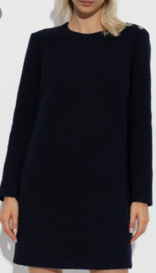 | 797358 | ZAN3M | 4002 | 797358ZAN3M4002 | WOMENS RTW | DRESSES | 36 | 813554698 | 1 |  | 2,100.00 € | 375.50 € | 0.00 €
 | 797358 | ZAN3M | 4002 | 797358ZAN3M4002 | WOMENS RTW | DRESSES | 38 | 813554188 | 1 |  | 2,100.00 € | 375.50 € | 0.00 €
 | 797358 | ZAN3M | 4002 | 797358ZAN3M4002 | WOMENS RTW | DRESSES | 42 | 813556568 | 2 |  | 2,100.00 € | 375.50 € | 0.00 €
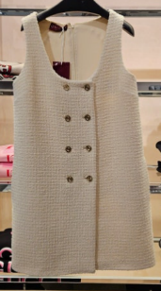 | 800283 | ZAN3M | 9200 | 800283ZAN3M9200 | WOMENS RTW | DRESSES | 40 | 813542893 | 1 |  | 2,300.00 € | 406.10 € | 0.00 €
 | 800283 | ZAN3M | 9200 | 800283ZAN3M9200 | WOMENS RTW | DRESSES | 42 | 813559384 | 1 |  | 2,300.00 € | 406.10 € | 0.00 €
 | 800283 | ZAN3M | 9200 | 800283ZAN3M9200 | WOMENS RTW | DRESSES | 44 | 813559385 | 1 |  | 2,300.00 € | 406.10 € | 0.00 €
 | 800283 | ZAN3M | 9200 | 800283ZAN3M9200 | WOMENS RTW | DRESSES | 48 | 813562537 | 1 |  | 2,300.00 € | 406.10 € | 0.00 €
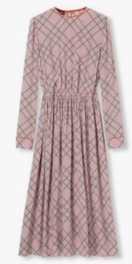 | 813262 | ZASAX | 5098 | 813262ZASAX5098 | WOMENS RTW | DRESSES | 36 | 813736979 | 1 |  | 2,980.00 € | 813.10 € | 0.00 €
 | 813262 | ZASAX | 5098 | 813262ZASAX5098 | WOMENS RTW | DRESSES | 38 | 813733001 | 1 |  | 2,980.00 € | 813.10 € | 0.00 €
 | 813262 | ZASAX | 5098 | 813262ZASAX5098 | WOMENS RTW | DRESSES | 40 | 813676004 | 1 |  | 2,980.00 € | 813.10 € | 0.00 €
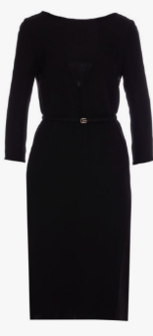 | 818246 | Z8BYJ | 1000 | 818246Z8BYJ1000 | WOMENS RTW | DRESSES | 36 | 813734471 | 1 |  | 3,200.00 € | 543.40 € | 0.00 €
 | 818246 | Z8BYJ | 1000 | 818246Z8BYJ1000 | WOMENS RTW | DRESSES | 38 | 813733215 | 2 |  | 3,200.00 € | 543.40 € | 0.00 €
 | 818246 | Z8BYJ | 1000 | 818246Z8BYJ1000 | WOMENS RTW | DRESSES | 40 | 813739493 | 2 |  | 3,200.00 € | 543.40 € | 0.00 €
 | 818246 | Z8BYJ | 1000 | 818246Z8BYJ1000 | WOMENS RTW | DRESSES | 42 | 813739494 | 2 |  | 3,200.00 € | 543.40 € | 0.00 €
 | 818246 | Z8BYJ | 1000 | 818246Z8BYJ1000 | WOMENS RTW | DRESSES | 44 | 813739495 | 1 |  | 3,200.00 € | 543.40 € | 0.00 €
 | 818246 | Z8BYJ | 1000 | 818246Z8BYJ1000 | WOMENS RTW | DRESSES | 46 | 813739496 | 1 |  | 3,200.00 € | 543.40 € | 0.00 €
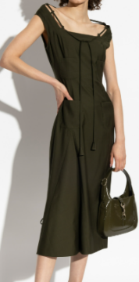 | 824630 | ZAR6K | 3602 | 824630ZAR6K3602 | WOMENS RTW | DRESSES | 36 | 813846318 | 1 |  | 3,800.00 € | 635.00 € | 0.00 €
 | 824630 | ZAR6K | 3602 | 824630ZAR6K3602 | WOMENS RTW | DRESSES | 38 | 813845249 | 1 |  | 3,800.00 € | 635.00 € | 0.00 €
 | 824630 | ZAR6K | 3602 | 824630ZAR6K3602 | WOMENS RTW | DRESSES | 40 | 813822152 | 1 |  | 3,800.00 € | 635.00 € | 0.00 €
 | 824630 | ZAR6K | 3602 | 824630ZAR6K3602 | WOMENS RTW | DRESSES | 42 | 813848127 | 1 |  | 3,800.00 € | 635.00 € | 0.00 €
 | 824630 | ZAR6K | 3602 | 824630ZAR6K3602 | WOMENS RTW | DRESSES | 44 | 813848128 | 1 |  | 3,800.00 € | 635.00 € | 0.00 €
 | 828608 | ZASSU | 1000 | 828608ZASSU1000 | WOMENS RTW | DRESSES | 36 | 813848020 | 1 |  | 2,900.00 € | 792.80 € | 0.00 €
 | 828608 | ZASSU | 1000 | 828608ZASSU1000 | WOMENS RTW | DRESSES | 38 | 813845527 | 1 |  | 2,900.00 € | 792.80 € | 0.00 €
 | 828608 | ZASSU | 1000 | 828608ZASSU1000 | WOMENS RTW | DRESSES | 40 | 813822401 | 1 |  | 2,900.00 € | 792.80 € | 0.00 €
 | 828608 | ZASSU | 1000 | 828608ZASSU1000 | WOMENS RTW | DRESSES | 42 | 813848614 | 1 |  | 2,900.00 € | 792.80 € | 0.00 €
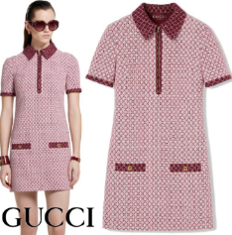 | 826532 | ZAS42 | 5902 | 826532ZAS425902 | WOMENS RTW | DRESSES | 38 | 813920965 | 1 |  | 2,400.00 € | 665.60 € | 0.00 €
 | 826532 | ZAS42 | 5902 | 826532ZAS425902 | WOMENS RTW | DRESSES | 40 | 813839599 | 1 |  | 2,400.00 € | 665.60 € | 0.00 €
 | 826532 | ZAS42 | 5902 | 826532ZAS425902 | WOMENS RTW | DRESSES | 42 | 813920966 | 1 |  | 2,400.00 € | 665.60 € | 0.00 €
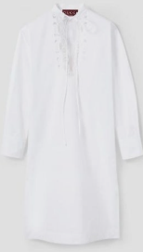 | 832027 | Z8B14 | 9000 | 832027Z8B149000 | WOMENS RTW | DRESSES | 34 | 813903411 | 1 |  | 2,500.00 € | 691.00 € | 0.00 €
 | 832027 | Z8B14 | 9000 | 832027Z8B149000 | WOMENS RTW | DRESSES | 36 | 813903007 | 1 |  | 2,500.00 € | 691.00 € | 0.00 €
 | 832027 | Z8B14 | 9000 | 832027Z8B149000 | WOMENS RTW | DRESSES | 38 | 813903008 | 1 |  | 2,500.00 € | 691.00 € | 0.00 €
 | 832027 | Z8B14 | 9000 | 832027Z8B149000 | WOMENS RTW | DRESSES | 40 | 813863275 | 2 |  | 2,500.00 € | 691.00 € | 0.00 €
 | 832027 | Z8B14 | 9000 | 832027Z8B149000 | WOMENS RTW | DRESSES | 42 | 813903009 | 1 |  | 2,500.00 € | 691.00 € | 0.00 €
 | 832027 | Z8B14 | 9000 | 832027Z8B149000 | WOMENS RTW | DRESSES | 44 | 813903010 | 1 |  | 2,500.00 € | 691.00 € | 0.00 €
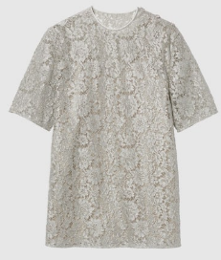 | 808261 | ZARXD | 1044 | 808261ZARXD1044 | WOMENS RTW | TOPS | 40 | 813697697 | 1 |  | 2,300.00 € | 406.10 € | 0.00 €
 | 808261 | ZARXD | 1044 | 808261ZARXD1044 | WOMENS RTW | TOPS | 44 | 813709816 | 1 |  | 2,300.00 € | 406.10 € | 0.00 €
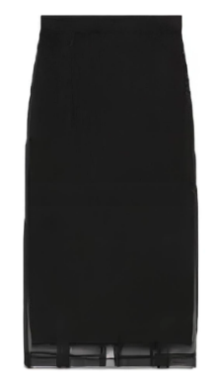
 | 808261 | ZARXD | 1044 | 808261ZARXD1044 | WOMENS RTW | TOPS | 46 | 813709817 | 1 |  | 2,300.00 € | 406.10 € | 0.00 €
 | 705909 | ZHS22 | 1000 | 705909ZHS221000 | WOMENS RTW | SKIRTS | 36 | 810824375 | 1 |  | 980.00 € | 207.60 € | 0.00 €
 | 705909 | ZHS22 | 1000 | 705909ZHS221000 | WOMENS RTW | SKIRTS | 42 | 810824378 | 3 |  | 980.00 € | 207.60 € | 0.00 €
 | 705909 | ZHS22 | 1000 | 705909ZHS221000 | WOMENS RTW | SKIRTS | 44 | 810824379 | 1 |  | 980.00 € | 207.60 € | 0.00 €
 | 705909 | ZHS22 | 1000 | 705909ZHS221000 | WOMENS RTW | SKIRTS | 48 | 810824381 | 1 |  | 980.00 € | 207.60 € | 0.00 €
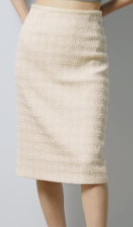 | 771992 | ZAOOU | 9791 | 771992ZAOOU9791 | WOMENS RTW | SKIRTS | 36 | 813275658 | 1 |  | 1,100.00 € | 334.80 € | 0.00 €
 | 771992 | ZAOOU | 9791 | 771992ZAOOU9791 | WOMENS RTW | SKIRTS | 38 | 813269971 | 1 |  | 1,100.00 € | 334.80 € | 0.00 €
 | 771992 | ZAOOU | 9791 | 771992ZAOOU9791 | WOMENS RTW | SKIRTS | 40 | 813218437 | 1 |  | 1,100.00 € | 334.80 € | 0.00 €
 | 771992 | ZAOOU | 9791 | 771992ZAOOU9791 | WOMENS RTW | SKIRTS | 42 | 813275659 | 1 |  | 1,100.00 € | 334.80 € | 0.00 €
 | 771992 | ZAOOU | 9791 | 771992ZAOOU9791 | WOMENS RTW | SKIRTS | 44 | 813278289 | 1 |  | 1,100.00 € | 334.80 € | 0.00 €
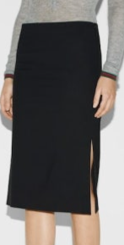 | 786415 | ZAQBM | 1000 | 786415ZAQBM1000 | WOMENS RTW | SKIRTS | 36 | 813469025 | 1 |  | 890.00 € | 192.40 € | 0.00 €
 | 786415 | ZAQBM | 1000 | 786415ZAQBM1000 | WOMENS RTW | SKIRTS | 44 | 813471332 | 1 |  | 890.00 € | 192.40 € | 0.00 €
 | 786415 | ZAQBM | 1000 | 786415ZAQBM1000 | WOMENS RTW | SKIRTS | 46 | 813471333 | 2 |  | 890.00 € | 192.40 € | 0.00 €
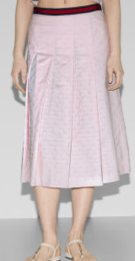 | 788904 | ZAM9M | 5307 | 788904ZAM9M5307 | WOMENS RTW | SKIRTS | 36 | 813477944 | 1 |  | 1,200.00 € | 360.30 € | 0.00 €
 | 788904 | ZAM9M | 5307 | 788904ZAM9M5307 | WOMENS RTW | SKIRTS | 38 | 813471589 | 1 |  | 1,200.00 € | 360.30 € | 0.00 €
 | 788904 | ZAM9M | 5307 | 788904ZAM9M5307 | WOMENS RTW | SKIRTS | 40 | 813362099 | 3 |  | 1,200.00 € | 360.30 € | 0.00 €
 | 788904 | ZAM9M | 5307 | 788904ZAM9M5307 | WOMENS RTW | SKIRTS | 42 | 813478948 | 2 |  | 1,200.00 € | 360.30 € | 0.00 €
 | 788904 | ZAM9M | 5307 | 788904ZAM9M5307 | WOMENS RTW | SKIRTS | 46 | 813481238 | 1 |  | 1,200.00 € | 360.30 € | 0.00 €
 | 784908 | ZAQHX | 9799 | 784908ZAQHX9799 | WOMENS RTW | SKIRTS | 40 | 813362294 | 2 |  | 980.00 € | 304.30 € | 0.00 €
 | 784908 | ZAQHX | 9799 | 784908ZAQHX9799 | WOMENS RTW | SKIRTS | 44 | 813479269 | 1 |  | 980.00 € | 304.30 € | 0.00 €
 | 784908 | ZAQHX | 9799 | 784908ZAQHX9799 | WOMENS RTW | SKIRTS | 46 | 813479270 | 1 |  | 980.00 € | 304.30 € | 0.00 €
 | 789887 | ZAQE7 | 1000 | 789887ZAQE71000 | WOMENS RTW | SKIRTS | 38 | 813462697 | 1 |  | 920.00 € | 289.00 € | 0.00 €
 | 789887 | ZAQE7 | 1000 | 789887ZAQE71000 | WOMENS RTW | SKIRTS | 40 | 813462698 | 1 |  | 920.00 € | 289.00 € | 0.00 €
 | 789887 | ZAQE7 | 1000 | 789887ZAQE71000 | WOMENS RTW | SKIRTS | 42 | 813462699 | 2 |  | 920.00 € | 289.00 € | 0.00 €
 | 789887 | ZAQE7 | 1000 | 789887ZAQE71000 | WOMENS RTW | SKIRTS | 44 | 813462700 | 1 |  | 920.00 € | 289.00 € | 0.00 €
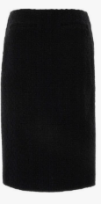 | 797274 | ZAQ6U | 1000 | 797274ZAQ6U1000 | WOMENS RTW | SKIRTS | 38 | 813554173 | 1 |  | 1,200.00 € | 360.30 € | 0.00 €
 | 797274 | ZAQ6U | 1000 | 797274ZAQ6U1000 | WOMENS RTW | SKIRTS | 42 | 813556565 | 1 |  | 1,200.00 € | 360.30 € | 0.00 €
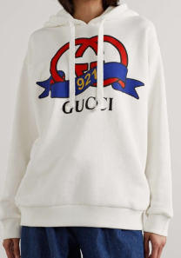 | 717427 | XJFNI | 9095 | 717427XJFNI9095 | WOMENS RTW | SWEATSHIRTS | L | 812982208 | 1 |  | 920.00 € | 289.00 € | 0.00 €
 | 717427 | XJFNI | 9095 | 717427XJFNI9095 | WOMENS RTW | SWEATSHIRTS | XL | 812992584 | 1 |  | 920.00 € | 289.00 € | 0.00 €
 | 717427 | XJFNI | 9095 | 717427XJFNI9095 | WOMENS RTW | SWEATSHIRTS | XXL | 812992850 | 1 |  | 920.00 € | 289.00 € | 0.00 €
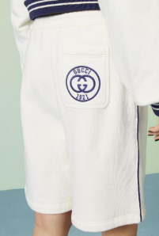 | 756608 | XJFV7 | 9088 | 756608XJFV79088 | WOMENS RTW | SWEATSHIRTS | XS | 813064976 | 2 |  | 950.00 € | 202.60 € | 0.00 €
 | 756608 | XJFV7 | 9088 | 756608XJFV79088 | WOMENS RTW | SWEATSHIRTS | XXL | 813073473 | 1 |  | 950.00 € | 202.60 € | 0.00 €
 | 756608 | XJFV7 | 9088 | 756608XJFV79088 | WOMENS RTW | SWEATSHIRTS | XXS | 813071889 | 2 |  | 950.00 € | 202.60 € | 0.00 €
 | 756608 | XJFV7 | 9088 | 756608XJFV79088 | WOMENS RTW | SWEATSHIRTS | XXXL | 813348137 | 1 |  | 950.00 € | 202.60 € | 0.00 €
 | 756608 | XJFV7 | 9088 | 756608XJFV79088 | WOMENS RTW | SWEATSHIRTS | XXXS | 813059346 | 1 |  | 950.00 € | 202.60 € | 0.00 €
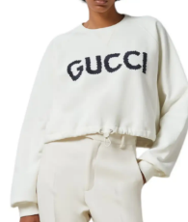 | 760366 | XJGDL | 9088 | 760366XJGDL9088 | WOMENS RTW | SWEATSHIRTS | M | 813273745 | 1 |  | 980.00 € | 304.30 € | 0.00 €
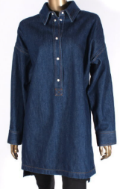 | 812609 | XDC7I | 4100 | 812609XDC7I4100 | WOMENS RTW | DENIM TOPS | 38 | 813709233 | 1 |  | 1,500.00 € | 284.00 € | 0.00 €
 | 812609 | XDC7I | 4100 | 812609XDC7I4100 | WOMENS RTW | DENIM TOPS | 42 | 813709416 | 3 |  | 1,500.00 € | 284.00 € | 0.00 €
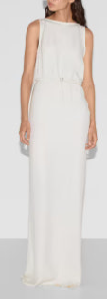 | 814053 | Z8BYX | 9200 | 814053Z8BYX9200 | WOMENS RTW | EVENING DRESSES | 38 | 813733044 | 1 |  | 4,200.00 € | 1,123.50 € | 0.00 €
 | 814053 | Z8BYX | 9200 | 814053Z8BYX9200 | WOMENS RTW | EVENING DRESSES | 40 | 813698278 | 1 |  | 4,200.00 € | 1,123.50 € | 0.00 €
 | 814053 | Z8BYX | 9200 | 814053Z8BYX9200 | WOMENS RTW | EVENING DRESSES | 42 | 813736996 | 1 |  | 4,200.00 € | 1,123.50 € | 0.00 €
 | 814053 | Z8BYX | 9200 | 814053Z8BYX9200 | WOMENS RTW | EVENING DRESSES | 44 | 813736997 | 1 |  | 4,200.00 € | 1,123.50 € | 0.00 €
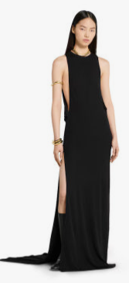 | 822831 | ZAMI7 | 1000 | 822831ZAMI71000 | WOMENS RTW | EVENING DRESSES | 38 | 813758009 | 1 |  | 4,900.00 € | 553.60 € | 0.00 €
 | 822831 | ZAMI7 | 1000 | 822831ZAMI71000 | WOMENS RTW | EVENING DRESSES | 40 | 813776918 | 1 |  | 4,900.00 € | 553.60 € | 0.00 €
 | 822831 | ZAMI7 | 1000 | 822831ZAMI71000 | WOMENS RTW | EVENING DRESSES | 42 | 813845234 | 1 |  | 4,900.00 € | 553.60 € | 0.00 €
 | 810359 | ZARGW | 1094 | 810359ZARGW1094 | WOMENS RTW | JUMPSUITS | 38 | 813653694 | 1 |  | 1,900.00 € | 345.00 € | 0.00 €
 | 810359 | ZARGW | 1094 | 810359ZARGW1094 | WOMENS RTW | JUMPSUITS | 40 | 813613048 | 1 |  | 1,900.00 € | 345.00 € | 0.00 €
 | 810359 | ZARGW | 1094 | 810359ZARGW1094 | WOMENS RTW | JUMPSUITS | 42 | 813655268 | 2 |  | 1,900.00 € | 345.00 € | 0.00 €
 | 810359 | ZARGW | 1094 | 810359ZARGW1094 | WOMENS RTW | JUMPSUITS | 44 | 813655269 | 1 |  | 1,900.00 € | 345.00 € | 0.00 €
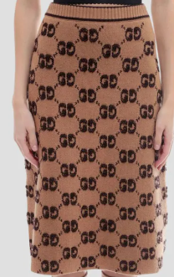 | 713301 | XKCNA | 2668 | 713301XKCNA2668 | WOMENS RTW | KNITWEAR BOTTOMS | XS | 810851853 | 2 |  | 1,100.00 € | 334.80 € | 0.00 €
 | 713301 | XKCNA | 2668 | 713301XKCNA2668 | WOMENS RTW | KNITWEAR BOTTOMS | XXS | 810851852 | 1 |  | 1,100.00 € | 334.80 € | 0.00 €
 | 713301 | XKCNA | 2668 | 713301XKCNA2668 | WOMENS RTW | KNITWEAR BOTTOMS | XXXL | 810851859 | 1 |  | 1,100.00 € | 334.80 € | 0.00 €
 | 713301 | XKCNA | 2668 | 713301XKCNA2668 | WOMENS RTW | KNITWEAR BOTTOMS | XXXS | 810851851 | 1 |  | 1,100.00 € | 334.80 € | 0.00 €
 | 811556 | XKEDT | 1000 | 811556XKEDT1000 | WOMENS RTW | KNITWEAR BOTTOMS | L | 813709867 | 2 |  | 1,300.00 € | 385.70 € | 0.00 €
 | 811556 | XKEDT | 1000 | 811556XKEDT1000 | WOMENS RTW | KNITWEAR BOTTOMS | M | 813709408 | 2 |  | 1,300.00 € | 385.70 € | 0.00 €
 | 811556 | XKEDT | 1000 | 811556XKEDT1000 | WOMENS RTW | KNITWEAR BOTTOMS | S | 813684251 | 2 |  | 1,300.00 € | 385.70 € | 0.00 €
 | 811556 | XKEDT | 1000 | 811556XKEDT1000 | WOMENS RTW | KNITWEAR BOTTOMS | XL | 813709868 | 1 |  | 1,300.00 € | 385.70 € | 0.00 €
 | 811556 | XKEDT | 1000 | 811556XKEDT1000 | WOMENS RTW | KNITWEAR BOTTOMS | XS | 813708822 | 1 |  | 1,300.00 € | 385.70 € | 0.00 €
 | 811556 | XKEDT | 1000 | 811556XKEDT1000 | WOMENS RTW | KNITWEAR BOTTOMS | XXL | 813713799 | 1 |  | 1,300.00 € | 385.70 € | 0.00 €
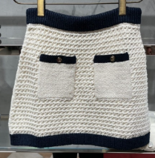 | 836182 | XKESV | 9062 | 836182XKESV9062 | WOMENS RTW | KNITWEAR BOTTOMS | M | 813922035 | 1 |  | 1,200.00 € | 360.30 € | 0.00 €
 | 836182 | XKESV | 9062 | 836182XKESV9062 | WOMENS RTW | KNITWEAR BOTTOMS | S | 813876919 | 1 |  | 1,200.00 € | 360.30 € | 0.00 €
 | 836182 | XKESV | 9062 | 836182XKESV9062 | WOMENS RTW | KNITWEAR BOTTOMS | XL | 813922037 | 1 |  | 1,200.00 € | 360.30 € | 0.00 €
 | 836182 | XKESV | 9062 | 836182XKESV9062 | WOMENS RTW | KNITWEAR BOTTOMS | XS | 813922034 | 1 |  | 1,200.00 € | 360.30 € | 0.00 €
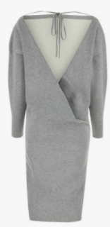 | 784027 | XKD32 | 1264 | 784027XKD321264 | WOMENS RTW | KNITWEAR DRESSES | M | 813468968 | 2 |  | 3,100.00 € | 528.20 € | 0.00 €
 | 784027 | XKD32 | 1264 | 784027XKD321264 | WOMENS RTW | KNITWEAR DRESSES | S | 813459888 | 1 |  | 3,100.00 € | 528.20 € | 0.00 €
 | 784027 | XKD32 | 1264 | 784027XKD321264 | WOMENS RTW | KNITWEAR DRESSES | XS | 813468967 | 1 |  | 3,100.00 € | 528.20 € | 0.00 €
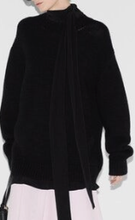 | 800434 | XKEEA | 1000 | 800434XKEEA1000 | WOMENS RTW | KNITWEAR DRESSES | XL | 813709767 | 1 |  | 2,600.00 € | 451.90 € | 0.00 €
 | 800434 | XKEEA | 1000 | 800434XKEEA1000 | WOMENS RTW | KNITWEAR DRESSES | XS | 813709033 | 1 |  | 2,600.00 € | 451.90 € | 0.00 €
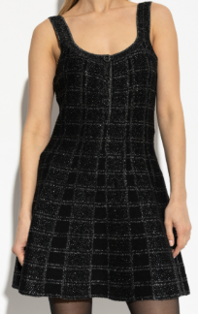 | 812132 | XKEDI | 1138 | 812132XKEDI1138 | WOMENS RTW | KNITWEAR DRESSES | L | 813708829 | 1 |  | 1,700.00 € | 487.50 € | 0.00 €
 | 812132 | XKEDI | 1138 | 812132XKEDI1138 | WOMENS RTW | KNITWEAR DRESSES | M | 813708828 | 1 |  | 1,700.00 € | 487.50 € | 0.00 €
 | 812132 | XKEDI | 1138 | 812132XKEDI1138 | WOMENS RTW | KNITWEAR DRESSES | S | 813684221 | 1 |  | 1,700.00 € | 487.50 € | 0.00 €
 | 812132 | XKEDI | 1138 | 812132XKEDI1138 | WOMENS RTW | KNITWEAR DRESSES | XL | 813709883 | 1 |  | 1,700.00 € | 487.50 € | 0.00 €
 | 467680 | XKA7X | 1000 | 467680XKA7X1000 | WOMENS RTW | KNITWEAR TOPS | S | 809091917 | 1 |  | 790.00 € | 258.50 € | 0.00 €
 | 467680 | XKA7X | 1000 | 467680XKA7X1000 | WOMENS RTW | KNITWEAR TOPS | XS | 809134106 | 1 |  | 790.00 € | 258.50 € | 0.00 €
 | 467680 | XKA7X | 1000 | 467680XKA7X1000 | WOMENS RTW | KNITWEAR TOPS | XXXS | 809442180 | 1 |  | 790.00 € | 258.50 € | 0.00 €
 | 678443 | XKB1R | 2184 | 678443XKB1R2184 | WOMENS RTW | KNITWEAR TOPS | M | 810210336 | 3 |  | 1,100.00 € | 334.80 € | 0.00 €
 | 678443 | XKB1R | 2184 | 678443XKB1R2184 | WOMENS RTW | KNITWEAR TOPS | S | 810166194 | 3 |  | 1,100.00 € | 334.80 € | 0.00 €
 | 678310 | XKB7T | 9194 | 678310XKB7T9194 | WOMENS RTW | KNITWEAR TOPS | XXS | 810210384 | 5 |  | 1,250.00 € | 375.50 € | 0.00 €
 | 678310 | XKB7T | 9194 | 678310XKB7T9194 | WOMENS RTW | KNITWEAR TOPS | XXXL | 810214533 | 1 |  | 1,250.00 € | 375.50 € | 0.00 €
 | 678310 | XKB7T | 9194 | 678310XKB7T9194 | WOMENS RTW | KNITWEAR TOPS | XXXS | 810057944 | 1 |  | 1,250.00 € | 375.50 € | 0.00 €
 | 784009 | XKD1B | 1104 | 784009XKD1B1104 | WOMENS RTW | KNITWEAR TOPS | L | 813471241 | 1 |  | 1,890.00 € | 345.00 € | 0.00 €
 | 784009 | XKD1B | 1104 | 784009XKD1B1104 | WOMENS RTW | KNITWEAR TOPS | M | 813468965 | 2 |  | 1,890.00 € | 345.00 € | 0.00 €
 | 784009 | XKD1B | 1104 | 784009XKD1B1104 | WOMENS RTW | KNITWEAR TOPS | S | 813362491 | 2 |  | 1,890.00 € | 345.00 € | 0.00 €
 | 784009 | XKD1B | 1104 | 784009XKD1B1104 | WOMENS RTW | KNITWEAR TOPS | XXS | 813478395 | 1 |  | 1,890.00 € | 345.00 € | 0.00 €
 | 782350 | XKDZ6 | 4215 | 782350XKDZ64215 | WOMENS RTW | KNITWEAR TOPS | S | 813362526 | 1 |  | 5,900.00 € | 955.60 € | 0.00 €
 | 782350 | XKDZ6 | 4215 | 782350XKDZ64215 | WOMENS RTW | KNITWEAR TOPS | XS | 813470471 | 1 |  | 5,900.00 € | 955.60 € | 0.00 €
 | 747824 | XKD3L | 9200 | 747824XKD3L9200 | WOMENS RTW | KNITWEAR TOPS | L | 813479247 | 1 |  | 1,200.00 € | 177.10 € | 0.00 €
 | 747824 | XKD3L | 9200 | 747824XKD3L9200 | WOMENS RTW | KNITWEAR TOPS | S | 813359632 | 1 |  | 1,200.00 € | 177.10 € | 0.00 €
 | 747824 | XKD3L | 9200 | 747824XKD3L9200 | WOMENS RTW | KNITWEAR TOPS | XXS | 813479246 | 1 |  | 1,200.00 € | 177.10 € | 0.00 €
 | 810315 | XKD8J | 1184 | 810315XKD8J1184 | WOMENS RTW | KNITWEAR TOPS | S | 813704087 | 1 |  | 1,600.00 € | 299.20 € | 0.00 €
 | 810315 | XKD8J | 1184 | 810315XKD8J1184 | WOMENS RTW | KNITWEAR TOPS | XS | 813732941 | 1 |  | 1,600.00 € | 299.20 € | 0.00 €
 | 810315 | XKD8J | 1184 | 810315XKD8J1184 | WOMENS RTW | KNITWEAR TOPS | XXS | 813742389 | 1 |  | 1,600.00 € | 299.20 € | 0.00 €
 | 810315 | XKD8J | 5166 | 810315XKD8J5166 | WOMENS RTW | KNITWEAR TOPS | L | 813738921 | 2 |  | 1,600.00 € | 462.00 € | 0.00 €
 | 810315 | XKD8J | 5166 | 810315XKD8J5166 | WOMENS RTW | KNITWEAR TOPS | M | 813732946 | 2 |  | 1,600.00 € | 462.00 € | 0.00 €
 | 810315 | XKD8J | 5166 | 810315XKD8J5166 | WOMENS RTW | KNITWEAR TOPS | S | 813704090 | 1 |  | 1,600.00 € | 462.00 € | 0.00 €
 | 810315 | XKD8J | 5166 | 810315XKD8J5166 | WOMENS RTW | KNITWEAR TOPS | XL | 813738922 | 1 |  | 1,600.00 € | 462.00 € | 0.00 €
 | 810315 | XKD8J | 5166 | 810315XKD8J5166 | WOMENS RTW | KNITWEAR TOPS | XS | 813732945 | 1 |  | 1,600.00 € | 462.00 € | 0.00 €
 | 731258 | XDCB5 | 4452 | 731258XDCB54452 | WOMENS RTW | DENIM BOTTOMS | 24 | 811196593 | 2 |  | 3,980.00 € | 665.60 € | 0.00 €
 | 731258 | XDCB5 | 4452 | 731258XDCB54452 | WOMENS RTW | DENIM BOTTOMS | 25 | 811196539 | 2 |  | 3,980.00 € | 665.60 € | 0.00 €
 | 731258 | XDCB5 | 4452 | 731258XDCB54452 | WOMENS RTW | DENIM BOTTOMS | 26 | 811196594 | 2 |  | 3,980.00 € | 665.60 € | 0.00 €
 | 731258 | XDCB5 | 4452 | 731258XDCB54452 | WOMENS RTW | DENIM BOTTOMS | 27 | 811196595 | 1 |  | 3,980.00 € | 665.60 € | 0.00 €
 | 731258 | XDCB5 | 4452 | 731258XDCB54452 | WOMENS RTW | DENIM BOTTOMS | 28 | 811196596 | 1 |  | 3,980.00 € | 665.60 € | 0.00 €
 | 784308 | XDCSG | 4447 | 784308XDCSG4447 | WOMENS RTW | DENIM BOTTOMS | 25 | 813326447 | 1 |  | 820.00 € | 263.60 € | 0.00 €
 | 784308 | XDCSG | 4447 | 784308XDCSG4447 | WOMENS RTW | DENIM BOTTOMS | 26 | 813340041 | 3 |  | 820.00 € | 263.60 € | 0.00 €
 | 784308 | XDCSG | 4447 | 784308XDCSG4447 | WOMENS RTW | DENIM BOTTOMS | 27 | 813340903 | 1 |  | 820.00 € | 263.60 € | 0.00 €
 | 784308 | XDCSG | 4447 | 784308XDCSG4447 | WOMENS RTW | DENIM BOTTOMS | 28 | 813340904 | 1 |  | 820.00 € | 263.60 € | 0.00 €
 | 784308 | XDCSG | 4447 | 784308XDCSG4447 | WOMENS RTW | DENIM BOTTOMS | 30 | 813340906 | 1 |  | 820.00 € | 263.60 € | 0.00 €
 | 784308 | XDCSG | 4447 | 784308XDCSG4447 | WOMENS RTW | DENIM BOTTOMS | 32 | 813346059 | 2 |  | 820.00 € | 263.60 € | 0.00 €
 | 832483 | XDDBK | 1000 | 832483XDDBK1000 | WOMENS RTW | DENIM DRESSES | 36 | 813921866 | 1 |  | 1,980.00 € | 558.70 € | 0.00 €
 | 832483 | XDDBK | 1000 | 832483XDDBK1000 | WOMENS RTW | DENIM DRESSES | 38 | 813921867 | 3 |  | 1,980.00 € | 558.70 € | 0.00 €
 | 832483 | XDDBK | 1000 | 832483XDDBK1000 | WOMENS RTW | DENIM DRESSES | 40 | 813868916 | 1 |  | 1,980.00 € | 558.70 € | 0.00 €
 | 832483 | XDDBK | 1000 | 832483XDDBK1000 | WOMENS RTW | DENIM DRESSES | 42 | 813921868 | 1 |  | 1,980.00 € | 558.70 € | 0.00 €
 | 832483 | XDDBK | 1000 | 832483XDDBK1000 | WOMENS RTW | DENIM DRESSES | 46 | 813921870 | 1 |  | 1,980.00 € | 558.70 € | 0.00 €
 | 785490 | XJGK6 | 9799 | 785490XJGK69799 | WOMENS RTW | JERSEY DRESSES | L | 813481439 | 1 |  | 1,200.00 € | 360.30 € | 0.00 €
 | 785490 | XJGK6 | 9799 | 785490XJGK69799 | WOMENS RTW | JERSEY DRESSES | M | 813478854 | 1 |  | 1,200.00 € | 360.30 € | 0.00 €
 | 785490 | XJGK6 | 9799 | 785490XJGK69799 | WOMENS RTW | JERSEY DRESSES | S | 813364491 | 1 |  | 1,200.00 € | 360.30 € | 0.00 €
 | 785490 | XJGK6 | 9799 | 785490XJGK69799 | WOMENS RTW | JERSEY DRESSES | XS | 813478853 | 1 |  | 1,200.00 € | 360.30 € | 0.00 €
 | 789193 | XJGLE | 2270 | 789193XJGLE2270 | WOMENS RTW | JERSEY TOPS | L | 813478990 | 1 |  | 2,100.00 € | 589.20 € | 0.00 €
 | 789193 | XJGLE | 2270 | 789193XJGLE2270 | WOMENS RTW | JERSEY TOPS | XL | 813479689 | 1 |  | 2,100.00 € | 589.20 € | 0.00 €
 | 789193 | XJGLE | 2270 | 789193XJGLE2270 | WOMENS RTW | JERSEY TOPS | XS | 813478988 | 1 |  | 2,100.00 € | 589.20 € | 0.00 €
 | 789193 | XJGLE | 2270 | 789193XJGLE2270 | WOMENS RTW | JERSEY TOPS | XXL | 813481246 | 1 |  | 2,100.00 € | 589.20 € | 0.00 €
 | 722463 | ZAKNI | 4440 | 722463ZAKNI4440 | MENS RTW | JACKETS | 42 | 811247204 | 1 |  | 2,200.00 € | 614.70 € | 0.00 €
 | 722463 | ZAKNI | 4440 | 722463ZAKNI4440 | MENS RTW | JACKETS | 44 | 811257815 | 1 |  | 2,200.00 € | 614.70 € | 0.00 €
 | 722463 | ZAKNI | 4440 | 722463ZAKNI4440 | MENS RTW | JACKETS | 46 | 811257816 | 1 |  | 2,200.00 € | 614.70 € | 0.00 €
 | 722463 | ZAKNI | 4440 | 722463ZAKNI4440 | MENS RTW | JACKETS | 48 | 811006321 | 1 |  | 2,200.00 € | 614.70 € | 0.00 €
 | 722463 | ZAKNI | 4440 | 722463ZAKNI4440 | MENS RTW | JACKETS | 52 | 811257818 | 1 |  | 2,200.00 € | 614.70 € | 0.00 €
 | 722463 | ZAKNI | 4440 | 722463ZAKNI4440 | MENS RTW | JACKETS | 56 | 811257838 | 1 |  | 2,200.00 € | 614.70 € | 0.00 €
 | 770398 | ZAO35 | 4544 | 770398ZAO354544 | MENS RTW | JACKETS | 42 | 813289476 | 1 |  | 1,980.00 € | 558.70 € | 0.00 €
...

